Sheet1
Problem:
Modern email servers and anti-spam ﬁlters attempt to identify spam emails and direct them to a junk folder. There are various ways to detect spam, and research still continues. In this regard, an information security oﬃcer tries to conﬁrm that the chance for an email to be spam depends on whether it contains images or not. The following data were collected on n = 1000 random email messages.

Obs. | With images | No images | Total
Spam | 160 | 240 | 400
No spam | 140 | 460 | 600
Total | 300 | 700 | 1000
Test it at 5% level of significance by using chi-square test.

Setting Of Hypothesis:

Null Hypothesis (H0):

Alternate Hypothesis(H1):

Level of Significance:
Let α be the level of significance.
Therefore , α=0.05

Degree of freedom =(r-1)*(c-1)=1

Test Statistics:

Calculation Using Spss:

Spss Syntax:

CROSSTABS
/TABLES=spam BY Image
/SHOWDIM=2
/FORMAT=AVALUE TABLES
/STATISTICS=CHISQ
/CELLS=COUNT EXPECTED
/COUNT ROUND CELL.

SPSS Output:

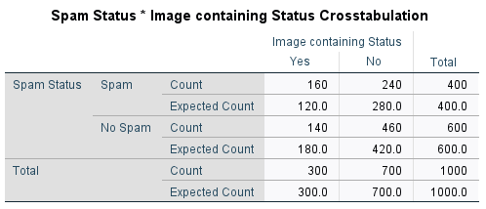

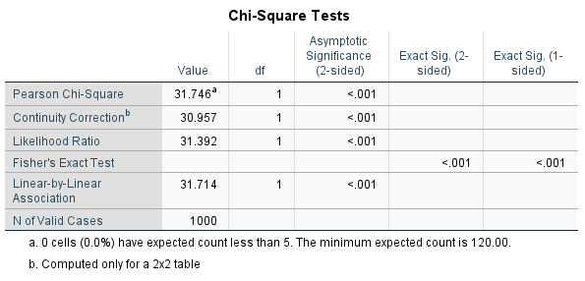

Critical Value:
The critical value of chi square at 0.05 level of significance is :
χ2= | 3.8414588207
//formula =CHIINV(alpha, df)

Decision:

Conclusion:

